Figure 1
Figure 1

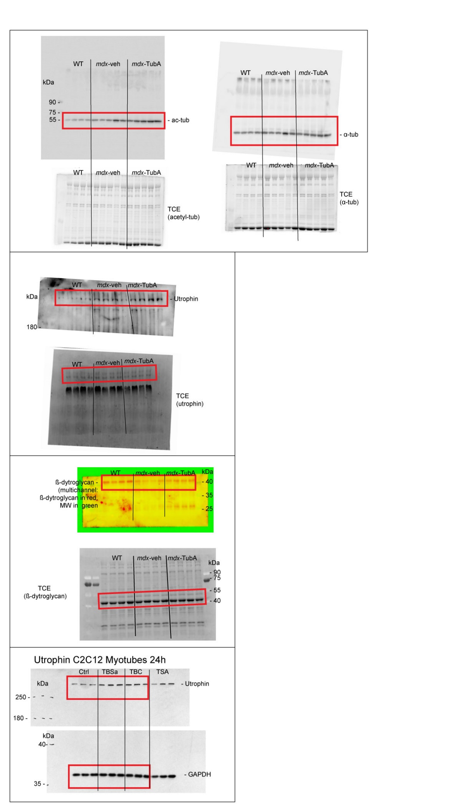

 | Figure 1b

 | Figure 1h

 | Figure 1k

 | Figure 1o

 | Figure 1c |  |  | Group
 |  |  |  | CTL | mdx saline | mdx TubA
 |  | mouse number | 1 | 0.6712787 | 1.14832 | 1.877712
 |  |  | 2 | 1.053814 | 1.360243 | 2.089468
 |  |  | 3 | 1.248549 | 1.472248 | 2.273578
 |  |  | 4 | 1.026359 | 1.581332 | 2.219334
 |  |  | 5 |  | 1.573684 | 1.96461

 | Figure 1d |  |  | Group
 |  |  |  | CTL | mdx saline | mdx TubA
 |  | mouse number | 1 | 1.0196164553 | 1.5272618718 | 1.2253371932
 |  |  | 2 | 0.94828135436 | 1.0378695205 | 1.3738714767
 |  |  | 3 | 0.90014590455 | 1.151130434 | 1.5243599226
 |  |  | 4 | 1.1319562858 | 2.0034956113 | 1.7521021545
 |  |  | 5 |  | 1.5068669202 | 1.7998860703

 | Figure 1e |  |  | Group
 |  |  |  | DAY 0 |  |  | DAY 30
 |  |  |  | CTL | mdx saline | mdx TubA | CTL | mdx saline | mdx TubA
 |  | mouse number | 1 | 8.61 | 7.93 | 8.5 | 8.91 | 7.07 | 8.36
 |  |  | 2 | 8.57 | 7.91 | 7.47 | 8.41 | 7.59 | 8.19
 |  |  | 3 | 8.41 | 8.21 | 6.86 | 8.72 | 7.85 | 8.55
 |  |  | 4 | 9.22 | 7.07 | 7.31 | 8.1 | 7.76 | 8.48
 |  |  | 5 | 9.07 | 6.58 | 6.39 | 8.26 | 7.25 | 7.74

 | Figure 1f |  |  | Group
 |  |  |  | CTL | mdx saline | mdx TubA
 |  | mouse number | 1 | 0.3 | -0.86 | -0.14
 |  |  | 2 | -0.17 | -0.32 | 0.71
 |  |  | 3 | 0.31 | -0.36 | 1.6
 |  |  | 4 | -1.11 | 0.69 | 1.17
 |  |  | 5 | -0.81 | 0.67 | 1.35

 | Figure 1g |  |  | Group
 |  |  |  | CTL | mdx saline | mdx TubA
 |  | mouse number | 1 | 9.469697 | 8.75 | 10.24138
 |  |  | 2 | 10.15936 | 9.103943 | 10.54152
 |  |  | 3 | 11.46617 | 10.62992 | 10.6338
 |  |  | 4 | 10.0346 | 9.533074 | 10.50781
 |  |  | 5 | 10.85616 | 8.870432 | 9.04059

 | Figure 1i |  |  | Group
 |  |  |  | CTL | mdx saline | mdx TubA
 |  | mouse number | 1 | 0.8902296 | 2.35838 | 3.570968
 |  |  | 2 | 0.6789662 | 3.231549 | 4.124383
 |  |  | 3 | 1.260273 | 3.471368 | 6.915102
 |  |  | 4 | 1.170531 | 1.355444 | 5.926309

 | Figure 1l |  |  | Group
 |  |  |  | CTL | mdx saline | mdx TubA
 |  | mouse number | 1 | 1.128782 | 0.5904251 | 0.6737887
 |  |  | 2 | 0.9028438 | 0.4409339 | 0.6643116
 |  |  | 3 | 1.034341 | 0.3688377 | 0.631256
 |  |  | 4 | 0.9340331 | 0.5614849 | 0.840519

 | Figure 1p |  |  | Group
 |  |  |  | CTL | mdx saline | mdx TubA
 |  | C2C12 cells experiment | 1 | 0.9226272 | 1.396927 | 1.840922
 |  |  | 2 | 1.144216 | 1.792265 | 1.815243
 |  |  | 3 | 0.933157 | 1.88424 | 1.621134

Figure 2
Figure 2

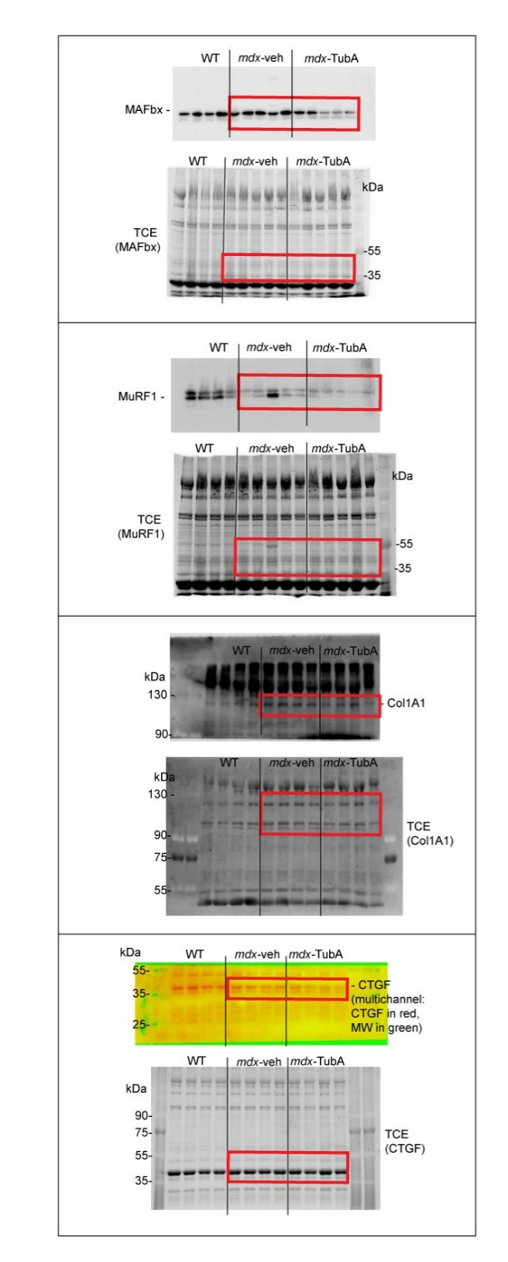

 | Figure 2g

 | Figure 2i

 | Figure 2n

 | Figure 2g

 | Figure 2c |  | WT |  |  |  |  |  |  | mdx saline |  |  |  |  |  |  | mdx TubA
 |  |  | mouse n°1 | mouse n°2 | mouse n°3 | mouse n°4 | mouse n°5 |  |  | mouse n°1 | mouse n°2 | mouse n°3 | mouse n°4 | mouse n°5 |  |  | mouse n°1 | mouse n°2 | mouse n°3 | mouse n°4 | mouse n°5
 |  | Bin in µm² | nb of fibers | nb of fibers | nb of fibers | nb of fibers | nb of fibers |  | Bin in µm² | nb of fibers | nb of fibers | nb of fibers | nb of fibers | nb of fibers |  | Bin in µm² | nb of fibers | nb of fibers | nb of fibers | nb of fibers | nb of fibers
 |  | 200 | 25 | 28 | 42 | 30 | 42 |  | 200 | 130 | 146 | 146 | 144 | 181 |  | 200 | 30 | 32 | 64 | 50 | 87
 |  | 400 | 65 | 76 | 119 | 61 | 183 |  | 400 | 74 | 67 | 155 | 122 | 148 |  | 400 | 112 | 90 | 90 | 85 | 125
 |  | 600 | 80 | 131 | 162 | 60 | 183 |  | 600 | 52 | 71 | 149 | 149 | 122 |  | 600 | 125 | 143 | 115 | 94 | 165
 |  | 800 | 82 | 112 | 140 | 115 | 157 |  | 800 | 78 | 101 | 98 | 160 | 98 |  | 800 | 136 | 155 | 125 | 94 | 181
 |  | 1000 | 81 | 117 | 97 | 78 | 104 |  | 1000 | 48 | 88 | 109 | 171 | 115 |  | 1000 | 108 | 146 | 124 | 94 | 223
 |  | 1200 | 79 | 82 | 97 | 65 | 100 |  | 1200 | 51 | 141 | 90 | 119 | 111 |  | 1200 | 95 | 108 | 107 | 90 | 197
 |  | 1400 | 83 | 94 | 86 | 53 | 100 |  | 1400 | 28 | 83 | 70 | 79 | 86 |  | 1400 | 77 | 63 | 77 | 69 | 184
 |  | 1600 | 60 | 82 | 74 | 73 | 122 |  | 1600 | 15 | 57 | 50 | 50 | 58 |  | 1600 | 69 | 35 | 62 | 39 | 117
 |  | 1800 | 36 | 79 | 54 | 79 | 53 |  | 1800 | 26 | 41 | 32 | 31 | 53 |  | 1800 | 34 | 19 | 56 | 33 | 82
 |  | 2000 | 27 | 45 | 26 | 55 | 33 |  | 2000 | 24 | 27 | 39 | 22 | 37 |  | 2000 | 27 | 18 | 37 | 22 | 52
 |  | 2200 | 17 | 34 | 19 | 22 | 24 |  | 2200 | 7 | 15 | 25 | 17 | 29 |  | 2200 | 18 | 13 | 29 | 25 | 29
 |  | 2400 | 11 | 22 | 8 | 15 | 15 |  | 2400 | 3 | 9 | 17 | 14 | 18 |  | 2400 | 20 | 10 | 14 | 17 | 26
 |  | 2600 | 15 | 10 | 4 | 7 | 8 |  | 2600 | 8 | 6 | 11 | 5 | 12 |  | 2600 | 2 | 6 | 17 | 8 | 11
 |  | more | 20 | 21 | 7 | 10 | 10 |  | more | 6 | 3 | 23 | 24 | 15 |  | more | 9 | 6 | 40 | 15 | 9
 |  | Total of fibers | 681 | 933 | 935 | 723 | 1134 |  | Total of fibers | 550 | 855 | 1014 | 1107 | 1083 |  | Total of fibers | 862 | 844 | 957 | 735 | 1488

 | Figure 2d |  | WT |  |  |  |  |  |  | mdx saline |  |  |  |  |  |  | mdx TubA
 |  |  | mouse n°1 | mouse n°2 | mouse n°3 | mouse n°4 | mouse n°5 |  |  | mouse n°1 | mouse n°2 | mouse n°3 | mouse n°4 | mouse n°5 |  |  | mouse n°1 | mouse n°2 | mouse n°3 | mouse n°4 | mouse n°5
 |  | Bin in µm² | nb of fibers | nb of fibers | nb of fibers | nb of fibers | nb of fibers |  | Bin in µm² | nb of fibers | nb of fibers | nb of fibers | nb of fibers | nb of fibers |  | Bin in µm² | nb of fibers | nb of fibers | nb of fibers | nb of fibers | nb of fibers
 |  | 300 | 21 | 18 | 8 | 8 | 6 |  | 200 | 26 | 84 | 36 | 24 | 6 |  | 200 | 2 | 17 | 37 | 18 | 25
 |  | 600 | 73 | 142 | 44 | 23 | 48 |  | 400 | 35 | 129 | 50 | 45 | 10 |  | 400 | 8 | 148 | 172 | 115 | 111
 |  | 900 | 131 | 231 | 143 | 42 | 134 |  | 600 | 47 | 105 | 49 | 67 | 7 |  | 600 | 16 | 275 | 200 | 129 | 146
 |  | 1200 | 97 | 178 | 173 | 56 | 194 |  | 800 | 57 | 101 | 54 | 75 | 18 |  | 800 | 25 | 188 | 143 | 109 | 160
 |  | 1500 | 46 | 87 | 119 | 51 | 154 |  | 1000 | 40 | 50 | 40 | 61 | 8 |  | 1000 | 25 | 100 | 66 | 51 | 76
 |  | 1800 | 23 | 41 | 43 | 37 | 79 |  | 1200 | 29 | 25 | 31 | 34 | 14 |  | 1200 | 8 | 39 | 25 | 27 | 39
 |  | 2100 | 6 | 17 | 22 | 22 | 29 |  | 1400 | 15 | 23 | 21 | 23 | 10 |  | 1400 | 2 | 16 | 10 | 25 | 22
 |  | 2400 | 3 | 11 | 8 | 8 | 7 |  | 1600 | 9 | 12 | 17 | 12 | 9 |  | 1600 | 4 | 8 | 11 | 7 | 3
 |  | 2700 | 3 | 4 | 11 | 5 | 1 |  | 1800 | 7 | 5 | 6 | 21 | 6 |  | 1800 | 2 | 2 | 3 | 5 | 9
 |  | 3000 | 1 | 3 | 5 | 0 | 0 |  | 2000 | 7 | 7 | 6 | 12 | 3 |  | 2000 | 1 | 3 | 3 | 0 | 7
 |  | 3300 | 0 | 0 | 1 | 0 | 0 |  | 2200 | 7 | 4 | 5 | 7 | 3 |  | 2200 | 1 | 3 | 3 | 2 | 3
 |  | 3600 | 0 | 0 | 1 | 2 | 0 |  | 2400 | 5 | 3 | 1 | 5 | 1 |  | 2400 | 1 | 1 | 2 | 2 | 3
 |  | 3900 | 0 | 0 | 0 | 0 | 0 |  | 2600 | 3 | 3 | 5 | 3 | 2 |  | 2600 | 0 | 0 | 0 | 0 | 4
 |  | more | 0 | 1 | 0 | 1 | 0 |  | more | 10 | 6 | 11 | 3 | 2 |  | more | 0 | 0 | 0 | 2 | 1
 |  | Total | 404 | 733 | 578 | 255 | 652 |  | Total of fibers | 297 | 557 | 332 | 392 | 99 |  | Total of fibers | 95 | 800 | 675 | 492 | 609

 | Figure 2h |  |  | Group
 |  |  |  | mdx saline | mdx TubA
 |  | mouse number | 1 | 1.027818 | 0.7393106
 |  |  | 2 | 0.7575634 | 0.6663149
 |  |  | 3 | 1.133819 | 0.2049536
 |  |  | 4 | 0.6295698 | 0.2263418
 |  |  | 5 | 1.45123 | 0.2262582

 | Figure 2j |  |  | Group
 |  |  |  | mdx saline | mdx TubA
 |  | mouse number | 1 | 0.714743 | 0.6666557
 |  |  | 2 | 0.8489108 | 0.4310177
 |  |  | 3 | 1.746591 | 0.4001486
 |  |  | 4 | 0.8720402 | 0.3868316
 |  |  | 5 | 0.8177153 | 0.4896908

 | Figure 2l |  | WT |  |  |  |  | mdx saline |  |  |  |  | mdx TubA
 |  | mouse number | 1 | 2 | 3 | 4 | 5 | 1 | 2 | 3 | 4 | 5 | 1 | 2 | 3 | 4 | 5
 |  | Perifipheric Nuclei | 1002 | 816 | 863 | 899 | 1130 | 158 | 165 | 188 | 208 | 259 | 336 | 264 | 399 | 417 | 344
 |  | Central Nuclei | 11 | 10 | 10 | 7 | 15 | 486 | 628 | 715 | 871 | 786 | 600 | 507 | 737 | 516 | 786
 |  | Total | 1013 | 826 | 873 | 906 | 1145 | 644 | 793 | 903 | 1079 | 1045 | 936 | 771 | 1136 | 933 | 1130

 | Figure 2m |  | WT |  |  |  |  | mdx saline |  |  |  | mdx TubA
 |  | mouse number | 1 | 2 | 3 | 4 | 5 | 1 | 2 | 3 | 4 | 1 | 2 | 3 | 4
 |  | Perifipheric Nuclei | 475 | 540 | 705 | 344 | 926 | 69 | 112 | 93 | 115 | 464 | 447 | 229 | 497
 |  | Central Nuclei | 5 | 4 | 8 | 2 | 11 | 218 | 356 | 182 | 393 | 550 | 597 | 354 | 559
 |  | Total | 480 | 544 | 713 | 346 | 937 | 287 | 468 | 275 | 508 | 1014 | 1044 | 583 | 1056

 | Figure 2o |  |  | Group
 |  |  |  | mdx saline | mdx TubA
 |  | mouse number | 1 | 1.147764 | 0.5883344
 |  |  | 2 | 1.019563 | 0.5858528
 |  |  | 3 | 0.9172793 | 0.8566824
 |  |  | 4 | 0.9153937 | 0.5429706

 | Figure 2q |  |  | Group
 |  |  |  | mdx saline | mdx TubA
 |  | mouse number | 1 | 1.220278 | 0.8316696
 |  |  | 2 | 1.023753 | 0.7766995
 |  |  | 3 | 0.8804576 | 0.7702773
 |  |  | 4 | 0.8755115 | 0.7652873

 | Figure 2s |  |  | Group
 |  |  |  | mdx saline |  |  | mdx TubA
 |  |  | mouse number | 1 | 2 | 3 | 1 | 2 | 3

 |  | number of fileds counted | 1 | 0.9018983 | 1.363438 | 1.244322 | 0.9162285 | 0.946341 | 0.8855732
 |  |  | 2 | 0.8933514 | 1.002358 | 0.8651122 | 0.9412753 | 0.9384826 | 0.9105519
 |  |  | 3 | 1.157527 | 1.017814 | 0.8836492 | 0.9964603 | 0.9769498 | 0.9198846
 |  |  | 4 | 0.909287 | 0.9556116 | 0.9359709 | 0.9077843 | 0.9271182 | 0.8914575
 |  |  | 5 | 0.9891732 | 0.9955306 | 0.9058817 | 0.907107 | 0.9319909 | 0.8760881
 |  |  | 6 | 1.023988 | 0.9415967 | 0.8827254 | 0.9620112 | 0.885039 | 0.9009151
 |  |  | 7 | 0.9790384 | 0.9970549 | 0.9088674 | 0.9189152 | 1.104398 | 0.947736
 |  |  | 8 | 1.061581 | 0.9860317 | 0.988066 | 0.9585791 | 0.9673474 | 0.9288975
 |  |  | 9 | 0.988396 | 1.015258 | 0.9366809 | 0.9520994 | 0.9772574 | 0.9500005
 |  |  | 10 | 0.9622895 | 0.9282383 | 0.9638439 | 0.9839051 | 0.9079798 | 0.9928629
 |  |  | 11 | 0.980673 | 0.976786 | 0.9584662 | 0.9675378 | 0.9527448 | 0.9342191
 |  |  | 12 | 0.9090406 | 0.9645935 | 1.059004 | 0.9783913 | 0.9468433 | 0.9329922
 |  |  | 13 | 1.004074 | 1.075473 | 0.9262953 | 0.9320512 | 0.9642084 | 0.950277
 |  |  | 14 | 0.9381931 | 0.9650174 | 0.9882004 | 0.9522812 | 0.9446986 | 0.9245858
 |  |  | 15 | 1.016724 | 0.9315928 | 0.9346965 | 0.9255061 | 0.9185438 | 0.9425083
 |  |  | 16 | 0.9697454 | 1.028958 | 0.9301073 | 0.9577072 | 0.9433131 | 0.9890819
 |  |  | 17 | 1.398515 | 1.024857 | 0.9440274 | 0.9230098 | 0.9098221 | 1.025954
 |  |  | 18 | 0.9921813 | 0.9380553 | 0.9322045 | 0.9842988 | 0.93237 | 0.9888045
 |  |  | 19 | 1.042211 | 1.041289 | 0.895609 | 0.9961829 | 0.9261928 | 0.9321538
 |  |  | 20 | 0.9645504 | 1.073937 | 0.902068 | 0.9640895 | 0.9117936 | 1.066641
 |  |  | 21 | 1.006667 | 1.057683 | 0.8991073 | 0.9364 | 0.9398087 | 0.9357296
 |  |  | 22 | 0.904603 | 1.226549 | 0.9375271 | 0.9259351 | 0.9059756 | 0.9225764
 |  |  | 23 | 0.9160019 | 1.215687 | 0.9249657 | 1.009471 | 0.9205567 | 0.9246383
 |  |  | 24 | 1.153495 | 1.283983 | 0.9869769 | 0.9435802 | 0.9992064 | 0.9330705
 |  |  | 25 | 1.102617 | 1.25318 | 0.9423282 | 0.9590203 | 0.9596105 | 0.9426712
 |  |  | 26 | 1.099318 | 1.171895 | 1.022507 | 0.9878204 | 0.9668787 | 0.9519719
 |  |  | 27 | 0.982934 | 1.257873 | 0.8988419 | 0.9935375 | 0.9236509 | 0.9352781
 |  |  | 28 | 0.9170859 | 1.413595 | 1.161453 | 0.9636043 | 0.9868287 | 0.9357969
 |  |  | 29 | 0.900978 | 1.223997 | 0.9165491 |  | 0.9689604 | 0.9341485
 |  |  | 30 | 0.9903821 | 1.138101 | 0.9535272 |  | 0.892227 | 0.9525087
 |  |  | 31 | 1.018819 |  | 0.8393047 |  | 0.9316686 | 0.9248684
 |  |  | 32 | 1.038178 |  | 0.8483095 |  | 1.002423 | 0.9374719
 |  |  | 33 | 1.09319 |  | 0.9669105 |  | 0.9030917 | 0.9342166
 |  |  | 34 | 0.9647245 |  | 1.069745 |  | 0.8738348 | 0.9350032
 |  |  | 35 | 0.8828555 |  | 0.9045806 |  | 0.9527543 | 0.9211702
 |  |  | 36 | 0.9317065 |  | 0.8719289 |  | 0.8932265 | 0.8882022
 |  |  | 37 | 0.9975796 |  | 0.8110448 |  | 0.8882392 | 0.9242696
 |  |  | 38 | 1.00868 |  | 1.096101 |  | 0.9144811 | 0.9263108
 |  |  | 39 | 0.9666891 |  | 0.9042575 |  | 0.951872 | 0.927985
 |  |  | 40 | 0.9534436 |  | 0.8742933 |  | 0.9167895 | 0.881931
 |  |  | 41 | 0.9470234 |  | 0.9695636 |  | 0.946341 | 0.8855732
 |  |  | 42 | 0.9108164 |  | 1.248109
 |  |  | 43 | 0.8806574 |  | 0.9643626
 |  |  | 44 | 0.8671156 |  | 0.9473793
 |  |  | 45 | 1.157527 |  | 1.000763
 |  |  | 46 |  |  | 0.9653803
 |  |  | 47 |  |  | 0.8810487
 |  |  | 48 |  |  | 0.8860264
 |  |  | 49 |  |  | 0.85914

Figure 5
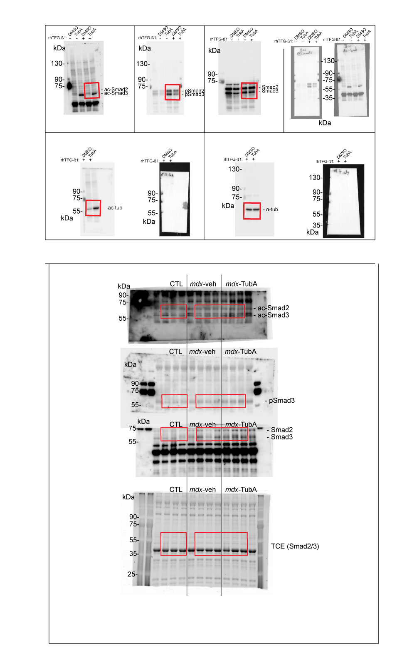
Figure 5

 | Figure 5c

 | Figure 5j

 | Figure 5b |  | DMSO+ rhTGFB |  |  |  |  |  |  | TubA+ rhTFGB |  |  |  |  | SB43+ rhTFGB
 |  |  | XP n°1 | XP n°2 | XP n°3 | XP n°4 | XP n°5 |  |  | XP n°1 | XP n°2 | XP n°3 |  |  | XP n°1 | XP n°2 | XP n°3
 |  | Bin (0-255) | nb of cells | nb of cells | nb of cells | nb of cells | nb of cells |  | Bin (0-255) | nb of cells | nb of cells | nb of cells |  | Bin (0-255) | nb of cells | nb of cells | nb of cells
 |  | 20 | 6 | 9 | 3 | 0 | 0 |  | 20 | 85 | 74 | 1 |  | 20 | 192 | 183 | 4
 |  | 40 | 55 | 55 | 54 | 2 | 1 |  | 40 | 180 | 284 | 53 |  | 40 | 264 | 224 | 123
 |  | 60 | 134 | 96 | 73 | 43 | 26 |  | 60 | 153 | 241 | 54 |  | 60 | 84 | 5 | 205
 |  | 80 | 188 | 167 | 119 | 199 | 70 |  | 80 | 65 | 52 | 85 |  | 80 | 2 | 0 | 32
 |  | 100 | 156 | 117 | 100 | 100 | 58 |  | 100 | 42 | 6 | 97 |  | 100 | 0 | 0 | 2
 |  | 120 | 74 | 87 | 59 | 16 | 8 |  | 120 | 13 | 0 | 80 |  | 120 | 0 | 0 | 0
 |  | 140 | 34 | 29 | 25 | 3 | 0 |  | 140 | 1 | 0 | 57 |  | 140 | 0 | 0 | 0
 |  | 160 | 11 | 7 | 6 | 1 | 0 |  | 160 | 0 | 0 | 33 |  | 160 | 0 | 0 | 0
 |  | 180 | 1 | 0 | 0 | 0 | 0 |  | 180 | 0 | 0 | 12 |  | 180 | 0 | 0 | 0
 |  | 200 | 0 | 0 | 0 | 0 | 0 |  | 200 | 0 | 0 | 9 |  | 200 | 0 | 0 | 0
 |  | 220 | 0 | 0 | 0 | 0 | 0 |  | 220 | 0 | 0 | 0 |  | 220 | 0 | 0 | 0
 |  | 240 | 0 | 0 | 0 | 0 | 0 |  | 240 | 0 | 0 | 1 |  | 240 | 0 | 0 | 0
 |  | 255 | 0 | 0 | 0 | 0 | 0 |  | 255 | 0 | 0 | 0 |  | 255 | 0 | 0 | 0
 |  | Total | 659 | 567 | 439 | 364 | 163 |  | Total | 539 | 657 | 482 |  | Total | 542 | 412 | 366

 | Figure 5d |  |  |  | Group
 |  |  |  |  | DMSO | TubA
 |  |  | number of experiments | 1 | 1.002073 | 0.6964257
 |  |  |  | 2 | 0.9900528 | 0.5338998
 |  |  |  | 3 | 1.01834 | 0.4657697
 |  |  |  | 4 | 1.008911 | 0.4363295
 |  |  |  | 5 | 0.9806237 | 0.2141263

 | Figure 5e |  |  |  | Group
 |  |  |  |  | DMSO | TubA
 |  |  | number of experiments | 1 | 0.7635826 | 2.570447
 |  |  |  | 2 | 0.8028327 | 1.391261
 |  |  |  | 3 | 1.166752 | 1.738876
 |  |  |  | 4 | 1.066745 | 1.179323
 |  |  |  | 5 | 1.200088 | 1.832024

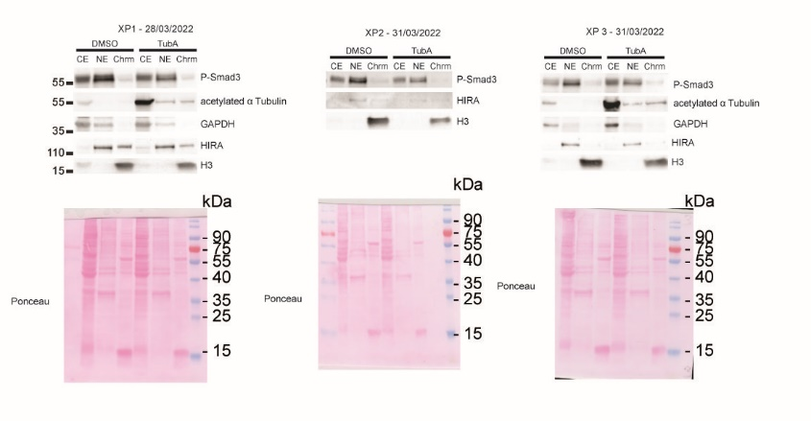

 | Figure 5f

 |  |  | XP 1 |  |  |  | XP 2 |  |  |  | XP 2
 | Figure 5g |  | Phospho-Smad3 |  |  |  | Phospho-Smad3 |  |  |  | Phospho-Smad3
 |  |  |  | CTL | TubA |  |  | CTL | TubA |  |  | CTL | TubA
 |  |  | CE | 0.34400317301 | 0.460455993 |  | CE | 0.31044742025 | 0.40934818333 |  | CE | 0.27940437634 | 0.46313960712
 |  |  | NE | 0.59245103585 | 0.49346327627 |  | NE | 0.55924606303 | 0.45564682973 |  | NE | 0.58932779138 | 0.44943527829
 |  |  | Chrm | 0.063545791145 | 0.046080730734 |  | Chrm | 0.13030651672 | 0.13500498694 |  | Chrm | 0.13126783228 | 0.087425114585

 | Figure 5h
 |  |  |  |  | Group (-1320 / -1232) |  |  |  |  | Group (-618 / -424) |  |  |  |  | Group (-319 / -205)
 |  |  |  |  | DMSO | TubA |  |  |  | DMSO | TubA |  |  |  | DMSO | TubA
 |  |  | number of experiments | 1 | 1.005518 | 0.9944817 |  | number of experiments | 1 | 1.04078 | 0.1277468 |  | number of experiments | 1 | 0.9701109 | 0.7300039
 |  |  |  | 2 | 1.174875 | 1.1852819 |  |  | 2 | 0.9794204 | 0.4325232 |  |  | 2 | 1.039192 | 0.6138624
 |  |  |  | 3 | 0.9797994 | 0.9906541 |  |  | 3 | 0.9797994 | 0.5406541 |  |  | 3 | 0.9906968 | 0.6246529

 | Figure 5i |  |  |  | Group (-1978 / -1805) |  |  |  |  | Group (-727 / -608)
 |  |  |  |  | DMSO | TubA |  |  |  | DMSO | TubA
 |  |  | number of experiments | 1 | 0.9885578 | 1.011442 |  | number of experiments | 1 | 1.014651 | 0.7413386
 |  |  |  | 2 | 1.716072 | 1.194573 |  |  | 2 | 0.9994978 | 0.6384326
 |  |  |  | 3 | 1.0397994 | 1.0106541 |  |  | 3 | 0.9858514 | 0.4927769

 | Figure 5k |  |  |  | Group
 |  |  |  |  | CTL | mdx saline | mdx TubA
 |  |  | mouse number | 1 | 0.4691295 | 1.535679 | 2.914524
 |  |  |  | 2 | 1.491309 | 0.8654481 | 1.738434
 |  |  |  | 3 | 0.6675992 | 1.472231 | 1.737721
 |  |  |  | 4 | 1.371963 | 0.6492225 | 6.34075

 | Figure 5l |  |  |  | Group
 |  |  |  |  | CTL | mdx saline | mdx TubA
 |  |  | mouse number | 1 | 1.005851 | 0.9191754 | 0.9175239
 |  |  |  | 2 | 1.052323 | 0.7498795 | 0.4717217
 |  |  |  | 3 | 0.8073106 | 1.940861 | 0.5246398
 |  |  |  | 4 | 1.134515 | 0.4719331 | 1.710424

 | Figure 5m |  |  |  | Group
 |  |  |  |  | CTL | mdx saline | mdx TubA
 |  |  | mouse number | 1 | 1.062402 | 0.5510671 | 0.3864533
 |  |  |  | 2 | 1.457949 | 0.6571136 | 0.2689703
 |  |  |  | 3 | 0.7353981 | 0.5214696 | 0.2363333
 |  |  |  | 4 | 0.7442509 | 0.3924994 | 0.2848359

 | Figure 5k |  |  |  | Group
 |  |  |  |  | CTL | mdx saline | mdx TubA
 |  |  | mouse number | 1 | 1.174084 | 1.78094 | 2.985649
 |  |  |  | 2 | 0.7348791 | 2.817065 | 5.374204
 |  |  |  | 3 | 0.9415675 | 1.309849 | 6.164825
 |  |  |  | 4 | 1.149469 | 3.081068 | 6.542829

Supplemenary fig 1
Figure Supplementary Dat Fig. 1

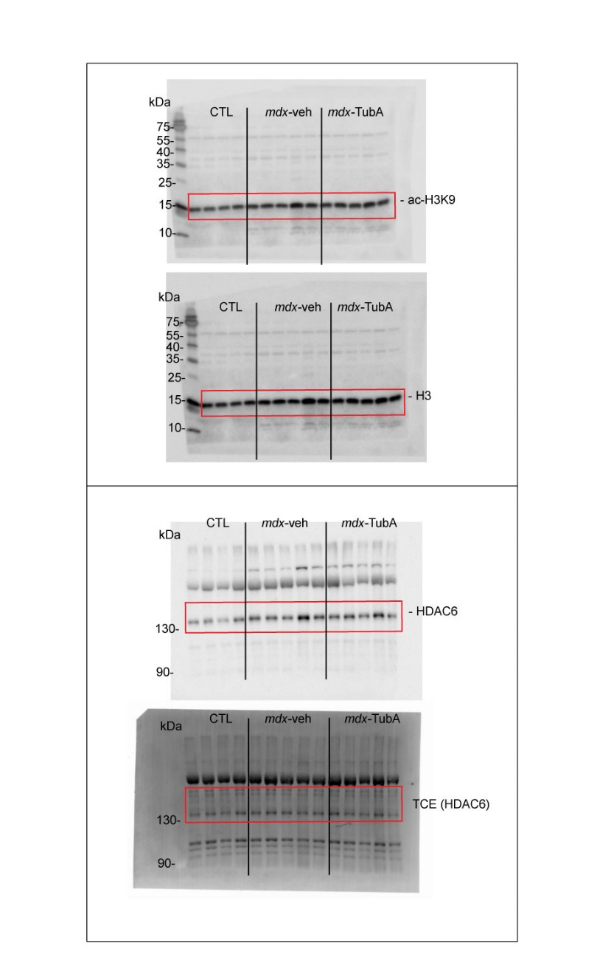

 | Figure SD-1a

 | Figure SD-1c

 | Figure SD-1b |  |  | ac-H3 / H3 |  |  |  |  |  | H3 / TCE
 |  |  |  | Group |  |  |  |  |  | Group
 |  |  |  | CTL | mdx saline | mdx TubA |  |  |  | CTL | mdx saline | mdx TubA
 |  | mouse number | 1 | 1.052485 | 1.312958 | 1.286746 |  | mouse number | 1 | 1.142594 | 1.081203 | 1.126917
 |  |  | 2 | 0.9776268 | 1.257058 | 1.710924 |  |  | 2 | 0.9464921 | 1.167349 | 1.279545
 |  |  | 3 | 0.9036483 | 1.192027 | 1.589423 |  |  | 3 | 0.8972425 | 1.06819 | 1.239219
 |  |  | 4 | 1.06624 | 2.019373 | 1.713651 |  |  | 4 | 1.013671 | 1.573239 | 1.430241
 |  |  | 5 |  | 1.44537 | 1.488175 |  |  | 5 |  | 1.238406 | 1.19597

 | Figure SD-1d |  |  | Group
 |  |  |  | CTL | mdx saline | mdx TubA
 |  | mouse number | 1 | 2542238 | 5106972 | 4824822
 |  |  | 2 | 2762600 | 4826760 | 5678036
 |  |  | 3 | 1867548 | 3897128 | 4146332
 |  |  | 4 | 4079224 | 8686610 | 7020006
 |  |  | 5 |  | 5462994 | 3271648

 | Figure SD-1e |  |  | Group
 |  |  |  | PULL n°1 |  | PULL n°4 |  | PULL n°8
 |  |  |  | mdx saline | mdx TubA | mdx saline | mdx TubA | mdx saline | mdx TubA
 |  | mouse number | 1 | 8.75 | 9.137931 | 5.427631 | 8.517241 | 6.94079 | 10.24138
 |  |  | 2 | 7.491039 | 10.54152 | 9.103943 | 7.509025 | 7.921147 | 7.00361
 |  |  | 3 | 9.448819 | 7.077465 | 6.850394 | 7.429577 | 6.023622 | 8.133802
 |  |  | 4 | 8.287938 | 8.554688 | 7.354085 | 9.492188 | 6.653697 | 9.179688
 |  |  | 5 | 7.408638 | 9.04059 | 8.139535 | 7.527675 | 6.578073 | 7.933579

Supplemenary fig 3
Figure Supplementary Dat Fig. 3

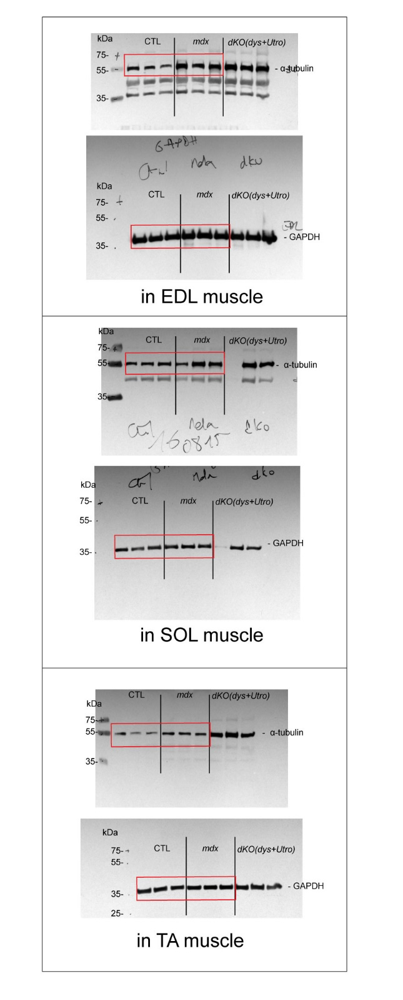

 | Figure SD-3a

 | Figure SD-3b |  |  | Group
 |  |  |  | EDL |  | SOL |  | TA
 |  |  |  | CTL | mdx | CTL | mdx | CTL | mdx
 |  | mouse number | 1 | 1.263097 | 1.853669 | 0.8293606 | 0.787874 | 1.21334 | 2.02452
 |  |  | 2 | 1.065035 | 1.41513 | 1.041496 | 1.541083 | 0.6557779 | 2.122052
 |  |  | 3 | 0.6718685 | 2.040174 | 1.129143 | 1.507035 | 1.130882 | 1.315539

 | Figure SD-3f |  |  | Group
 |  |  | Bin | WT | saline | TubA | Bin | SEM WT | SEM mdx saline | SEM TubA
 |  |  | 100 | 0.00000% | 0.00000% | 0.00000% | 100 | 0.000000% | 0.000000% | 0.000000%
 |  |  | 200 | 0.00000% | 2.50000% | 2.32558% | 200 | 0.000000% | 2.041241% | 1.898829%
 |  |  | 300 | 5.11509% | 2.50000% | 12.02762% | 300 | 0.626468% | 2.041241% | 7.268956%
 |  |  | 400 | 19.69309% | 7.38095% | 14.78924% | 400 | 1.670581% | 2.138443% | 0.682392%
 |  |  | 500 | 29.92327% | 16.66667% | 11.70058% | 500 | 0.417645% | 3.608276% | 5.755826%
 |  |  | 600 | 29.92327% | 29.28571% | 17.51453% | 600 | 0.417645% | 0.583212% | 1.008753%
 |  |  | 700 | 5.11509% | 22.02381% | 17.15116% | 700 | 0.626468% | 2.430049% | 6.408549%
 |  |  | 800 | 5.11509% | 4.88095% | 8.17587% | 800 | 0.626468% | 0.097202% | 0.979084%
 |  |  | 900 | 5.11509% | 9.88095% | 7.37645% | 900 | 0.626468% | 4.179685% | 3.471297%
 |  |  | 1000 | 0.00000% | 4.88095% | 3.88808% | 1000 | 0.000000% | 0.097202% | 0.623053%
 |  |  | 1100 | 0.00000% | 0.00000% | 2.32558% | 1100 | 0.000000% | 0.000000% | 1.898829%
 |  |  | 1200 | 0.00000% | 0.00000% | 0.00000% | 1200 | 0.000000% | 0.000000% | 0.000000%
 |  |  | 1300 | 0.00000% | 0.00000% | 0.00000% | 1300 | 0.000000% | 0.000000% | 0.000000%
 |  |  | 1400 | 0.00000% | 0.00000% | 2.72529% | 1400 | 0.000000% | 0.000000% | 0.326361%
 |  |  | More | 0.00000% | 0.00000% | 0.00000% | More | 0.000000% | 0.000000% | 0.000000%
 |  |  | total | 100.00000% | 100.00000% | 100.00000%

 | Figure SD-3f |  |  | Group
 |  |  | Bin | WT | saline | TubA | Bin | SEM WT | SEM mdx saline | SEM TubA
 |  |  | 300 | 0.00000% | 2.50000% | 1.16279% | 300 | 0.000000% | 2.041241% | 0.949415%
 |  |  | 500 | 11.63683% | 2.50000% | 17.87791% | 500 | 4.698510% | 2.041241% | 4.391043%
 |  |  | 700 | 24.16880% | 5.00000% | 19.84012% | 700 | 9.083785% | 0.000000% | 0.890076%
 |  |  | 900 | 37.21228% | 15.00000% | 14.42587% | 900 | 1.566170% | 4.082483% | 6.082187%
 |  |  | 1100 | 13.81074% | 17.50000% | 15.18895% | 1100 | 6.473502% | 6.123724% | 2.907582%
 |  |  | 1300 | 8.05627% | 15.00000% | 8.93895% | 1300 | 3.027928% | 4.082483% | 2.195521%
 |  |  | 1500 | 2.17391% | 22.50000% | 7.77616% | 1500 | 1.774993% | 2.041241% | 1.246107%
 |  |  | 1700 | 2.94118% | 2.50000% | 8.17587% | 1700 | 2.401461% | 2.041241% | 0.979084%
 |  |  | 1900 | 0.00000% | 5.00000% | 1.16279% | 1900 | 0.000000% | 4.082483% | 0.949415%
 |  |  | 2100 | 0.00000% | 5.00000% | 1.16279% | 2100 | 0.000000% | 0.000000% | 0.949415%
 |  |  | 2300 | 0.00000% | 2.50000% | 1.16279% | 2300 | 0.000000% | 2.041241% | 0.949415%
 |  |  | 2500 | 0.00000% | 2.50000% | 0.00000% | 2500 | 0.000000% | 2.041241% | 0.000000%
 |  |  | 2700 | 0.00000% | 2.50000% | 1.56250% | 2700 | 0.000000% | 2.041241% | 1.275776%
 |  |  | 2900 | 0.00000% | 0.00000% | 0.00000% | 2900 | 0.000000% | 0.000000% | 0.000000%
 |  |  | More | 0.00000% | 0.00000% | 1.56250% | More | 0.000000% | 0.000000% | 1.275776%
 |  |  | total | 100.00000% | 100.00000% | 100.00000%

